Instructions
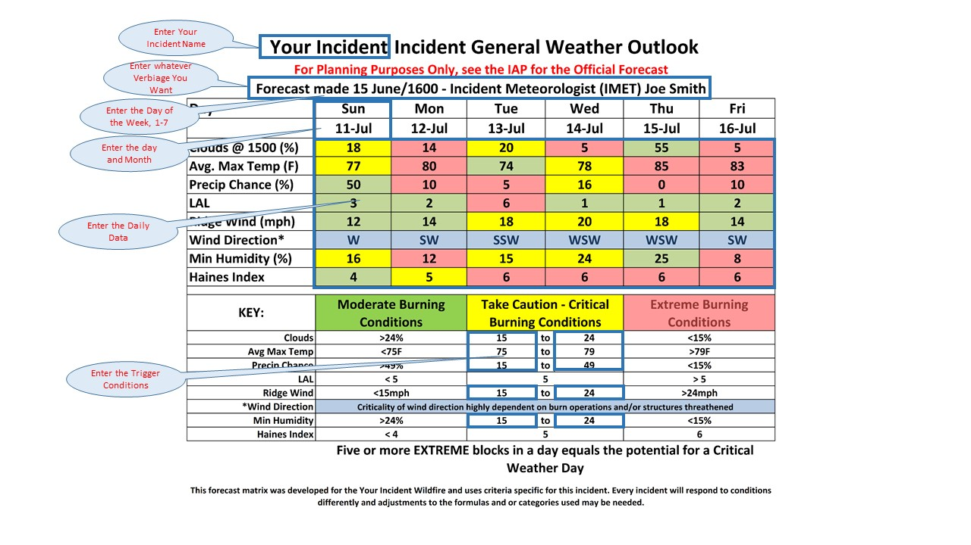

Enter the info in the above fields, all other fields are locked out. Everything else will auto-populate including the colors of the matrix. Note: Enter the day of the week by number ie. 1,2,3,4,5,6,7 Enter the data as mm/dd

